Sheet1
SKU | Product Name | Available Inventory
1155-BLACK-38/39 | 1155-BLACK-38/39 | 12
1155-BLACK-40/41 | 1155-BLACK-40/41 | 9
1155-BLACK-42/43 | 1155-BLACK-42/43 | 14
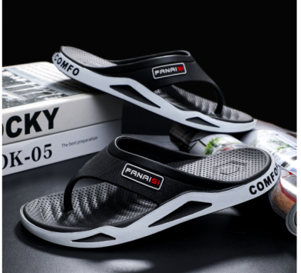
1155-BLACK-44/45 | 1155-BLACK-44/45 | 11
1155-GOLDEN-38/39 | 1155-GOLDEN-38/39 | 17
1155-GOLDEN-40/41 | 1155-GOLDEN-40/41 | 16
1155-GOLDEN-42/43 | 1155-GOLDEN-42/43 | 6
1155-GOLDEN-44/45 | 1155-GOLDEN-44/45 | 12
1155-KHAKI-38/39 | 1155-KHAKI-38/39 | 12
1155-KHAKI-40/41 | 1155-KHAKI-40/41 | 18
1155-KHAKI-42/43 | 1155-KHAKI-42/43 | 20
1155-KHAKI-44/45 | 1155-KHAKI-44/45 | 20
1155-WHITE-38/39 | 1155-WHITE-38/39 | 17
1155-WHITE-40/41 | 1155-WHITE-40/41 | 16
1155-WHITE-42/43 | 1155-WHITE-42/43 | 14
1155-WHITE-44/45 | 1155-WHITE-44/45 | 17
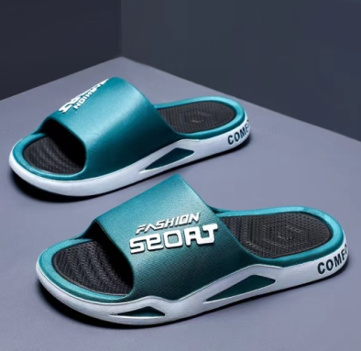
1515-Black-38-39 | 1515-Black-38-39 | 31
1515-Black-48-49 | 1515-Black-48-49 | 9
1515-blackish green-38-39 | 1515-blackish green-38-39 | 21
1515-blackish green-40-41 | 1515-blackish green-40-41 | 19
1515-blackish green-42-43 | 1515-blackish green-42-43 | 4
1515-blackish green-44-45 | 1515-blackish green-44-45 | 2
1515-blackish green-46-47 | 1515-blackish green-46-47 | 12
1515-blackish green-48-49 | 1515-blackish green-48-49 | 20
1515-Blue white-38-39 | 1515-Blue white-38-39 | 24
1515-Blue white-40-41 | 1515-Blue white-40-41 | 48
1515-Blue white-42-43 | 1515-Blue white-42-43 | 12
1515-Blue white-44-45 | 1515-Blue white-44-45 | 11
1515-Blue white-46-47 | 1515-Blue white-46-47 | 25
1515-Blue white-48-49 | 1515-Blue white-48-49 | 23
1515-Khaki-38-39 | 1515-Khaki-38-39 | 21
1515-Khaki-40-41 | 1515-Khaki-40-41 | 15
1515-Khaki-42-43 | 1515-Khaki-42-43 | 29
1515-Khaki-46-47 | 1515-Khaki-46-47 | 12
1515-Khaki-48-49 | 1515-Khaki-48-49 | 20
1515-white black-38-39 | 1515-white black-38-39 | 25
1515-white black-40-41 | 1515-white black-40-41 | 28
1515-white black-42-43 | 1515-white black-42-43 | 21
1515-white black-44-45 | 1515-white black-44-45 | 19
1515-white black-46-47 | 1515-white black-46-47 | 19
1515-white black-48-49 | 1515-white black-48-49 | 28
1618-Black-38-39 | 1618-Black-38-39 | 23
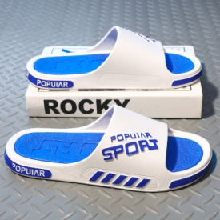
1618-Dark Green-38-39 | 1618-Dark Green-38-39 | 30
1618-Dark Green-40-41 | 1618-Dark Green-40-41 | 21
1618-Dark Green-44-45 | 1618-Dark Green-44-45 | 20
1618-Dark Green-46-47 | 1618-Dark Green-46-47 | 10
1618-White Black-38-39 | 1618-White Black-38-39 | 30
1618-White Black-40-41 | 1618-White Black-40-41 | 29
1618-White Black-42-43 | 1618-White Black-42-43 | 12
1618-White Black-44-45 | 1618-White Black-44-45 | 24
1618-White Blue-42-43 | 1618-White Blue-42-43 | 12
1618-White Blue-44-45 | 1618-White Blue-44-45 | 25
2017-Grey-36 | 2017-Grey-36 | 18
2017-Grey-37 | 2017-Grey-37 | 25
2017-Grey-38 | 2017-Grey-38 | 20
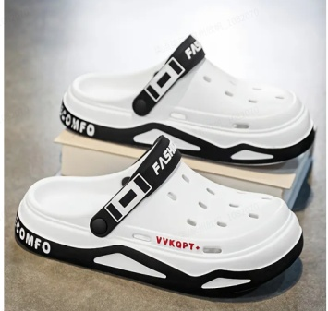
2017-Grey-39 | 2017-Grey-39 | 20
2017-Grey-40 | 2017-Grey-40 | 21
3355-BLACK-38/39 | 3355-BLACK-38/39 | 2
3355-BLACK-40/41 | 3355-BLACK-40/41 | 1
3355-KHAKI-38/39 | 3355-KHAKI-38/39 | 9
3355-KHAKI-40/41 | 3355-KHAKI-40/41 | 4
3355-KHAKI-42/43 | 3355-KHAKI-42/43 | 1
3355-KHAKI-44/45 | 3355-KHAKI-44/45 | 6
3355-WHITE-38/39 | 3355-WHITE-38/39 | 22
3355-WHITE-40/41 | 3355-WHITE-40/41 | 16
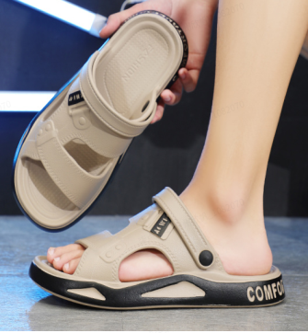
3355-WHITE-42/43 | 3355-WHITE-42/43 | 12
3355-WHITE-44/45 | 3355-WHITE-44/45 | 12
5511-BLACK-38/39 | 5511-BLACK-38/39 | 18
5511-BLACK-40/41 | 5511-BLACK-40/41 | 19
5511-BLACK-42/43 | 5511-BLACK-42/43 | 16
5511-KHAKI-38/39 | 5511-KHAKI-38/39 | 22
5511-KHAKI-40/41 | 5511-KHAKI-40/41 | 18
5511-KHAKI-42/43 | 5511-KHAKI-42/43 | 15
5511-WHITE-38/39 | 5511-WHITE-38/39 | 19
5511-WHITE-40/41 | 5511-WHITE-40/41 | 21
5511-WHITE-42/43 | 5511-WHITE-42/43 | 21
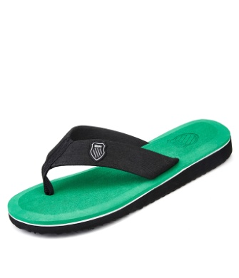
804-BLACK-38 | 804-BLACK-38 | 47
804-BLACK-39 | 804-BLACK-39 | 87
804-BLACK-40 | 804-BLACK-40 | 39
804-BLACK-41 | 804-BLACK-41 | 79
804-BLACK-42 | 804-BLACK-42 | 70
804-BLACK-43 | 804-BLACK-43 | 67
804-BLACK-44 | 804-BLACK-44 | 64
804-BLACK-45 | 804-BLACK-45 | 34
804-BLACK-46 | 804-BLACK-46 | 33
804-BLACK-47 | 804-BLACK-47 | 35
804-BLACK-48 | 804-BLACK-48 | 35
804-DARK-BROWN-39 | 804-DARK-BROWN-39 | 47
804-DARK-BROWN-41 | 804-DARK-BROWN-41 | 43
804-DARK-BROWN-42 | 804-DARK-BROWN-42 | 36
804-GREEN-38 | 804-GREEN-38 | 47
804-GREEN-39 | 804-GREEN-39 | 47
804-GREEN-41 | 804-GREEN-41 | 45
804-GREEN-42 | 804-GREEN-42 | 40
804-GREEN-43 | 804-GREEN-43 | 35
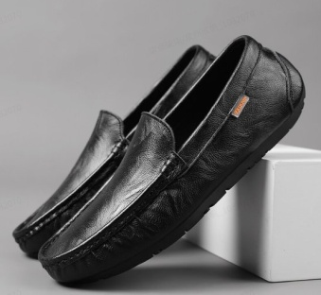
804-GREY-41 | 804-GREY-41 | 45
8801-Black-39 | 8801乐福鞋黑色39 | 23
8801-Black-40 | 8801乐福鞋黑色40 | 14
8801-Black-41 | 8801乐福鞋黑色41 | 20
8801-Black-42 | 8801乐福鞋黑色42 | 12
8801-Black-43 | 8801乐福鞋黑色43 | 38
8801-Black-46 | 8801乐福鞋黑色46 | 14
8801-Brown-39 | 8801乐福鞋棕色39 | 3
8801-Brown-40 | 8801乐福鞋棕色40 | 10
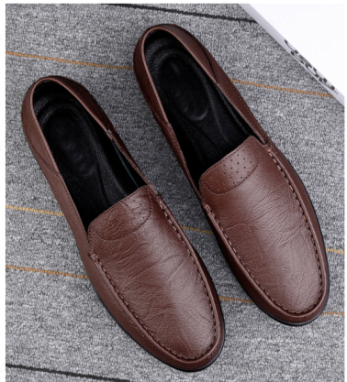
8801-Brown-46 | 8801乐福鞋棕色46 | 4
8836-Black-39 | 8836乐福鞋黑色39 | 19
8836-Black-40 | 8836乐福鞋黑色40 | 5
8836-Black-41 | 8836乐福鞋黑色41 | 7
8836-Black-43 | 8836乐福鞋黑色43 | 4
8836-Black-46 | 8836乐福鞋黑色46 | 10
8836-Brown-39 | 8836乐福鞋棕色39 | 3
8836-Brown-40 | 8836乐福鞋棕色40 | 9
8836-Brown-41 | 8836乐福鞋棕色41 | 7
8836-Brown-42 | 8836乐福鞋棕色42 | 20
 |  | 2520

